Attachment1
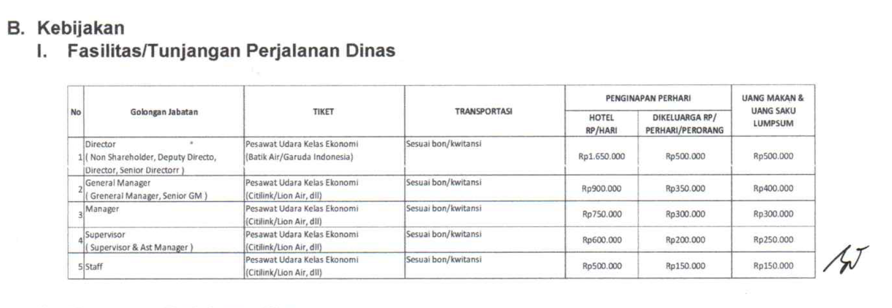
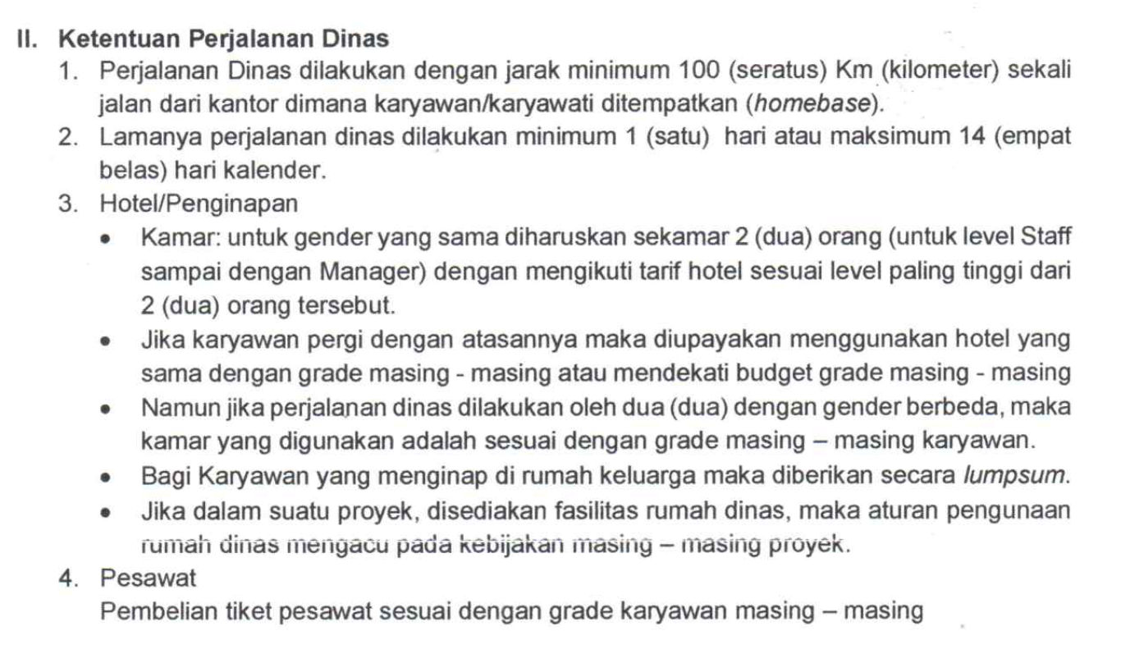
KEBIJAKAN No : PM/TRIN/HC/01

